without error
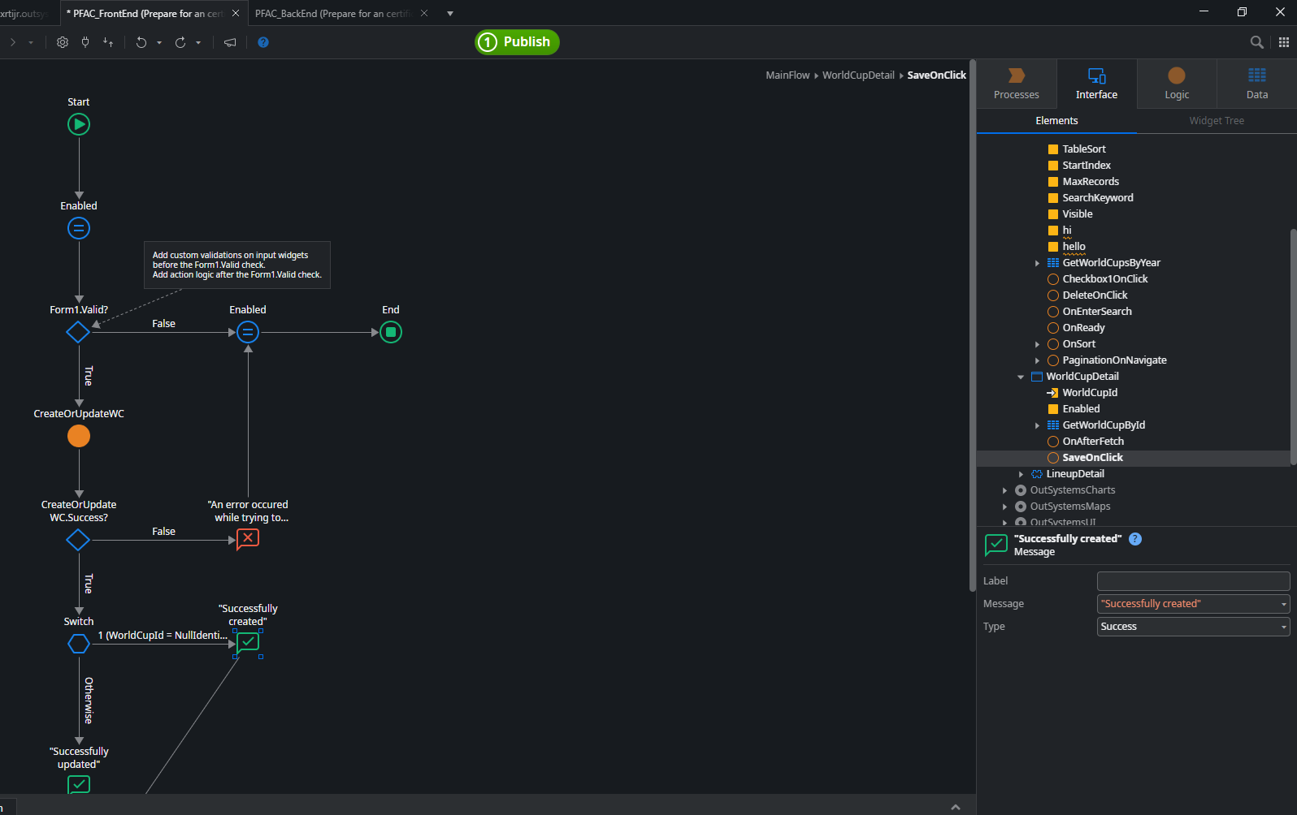
in the PFAC_BackEnd module
I've updated the input and output of the CreateOrUpdateWC server action, I didn’t change the logic flow
from | wc => wc2222
 | Success => Success222

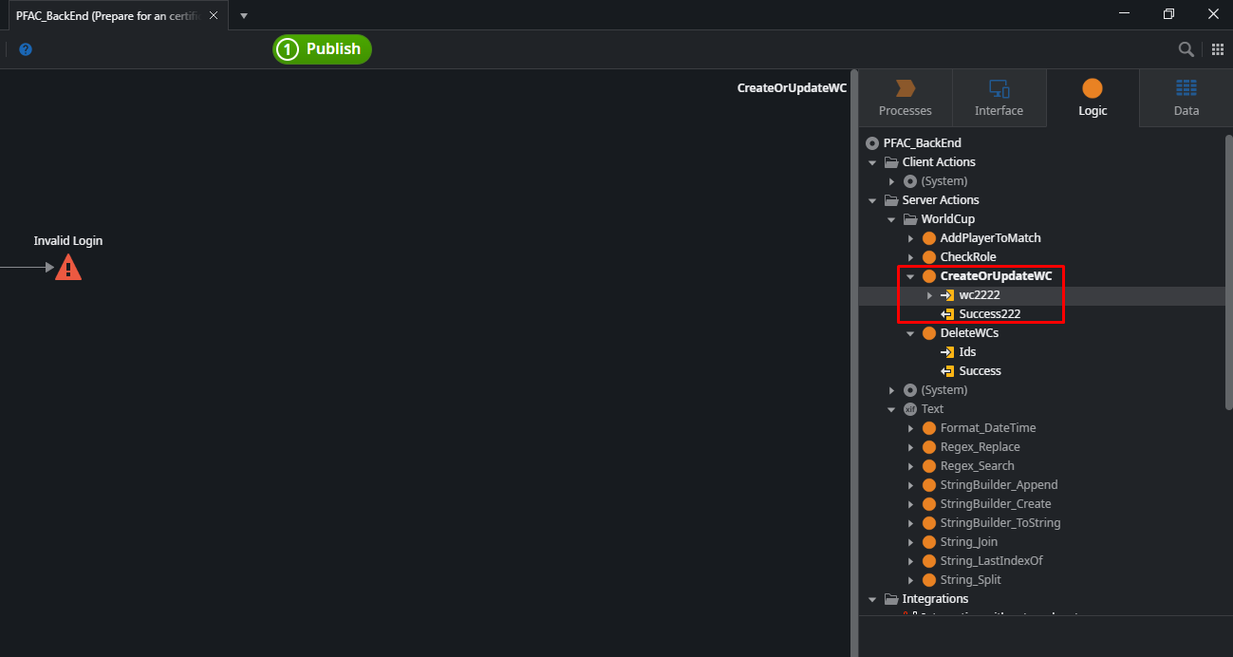

in the PFAC_FrontEnd, I don’t refresh dependencies of this module
I just changed a small part of the logic flow and then published

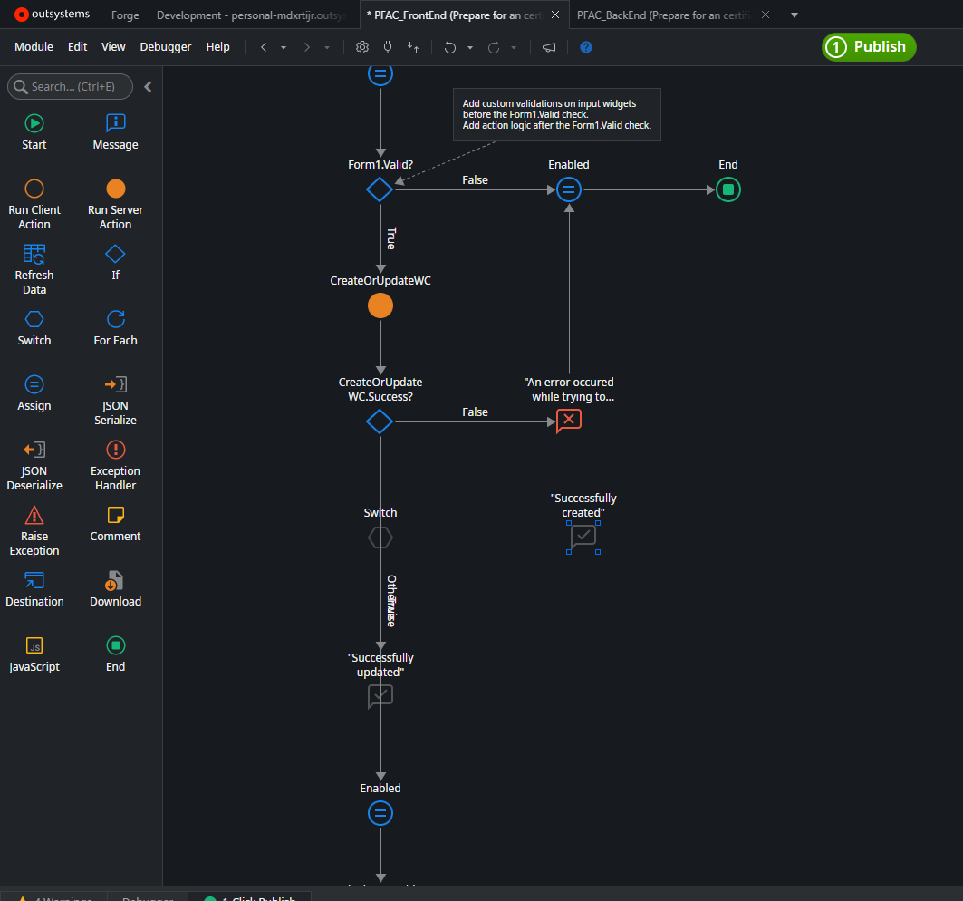

the logic flow of the PFAC_BackEnd remains the same as in the previous version
The input and output havent been changed
When I execute the ClickOrUpdateWC event, no error occurs.
the logic flow continues to function as it did before the publish

if I change the output parameter of the CreateOrUpdateWc in the PFAC_BackEnd module from Success to abc
there is no error

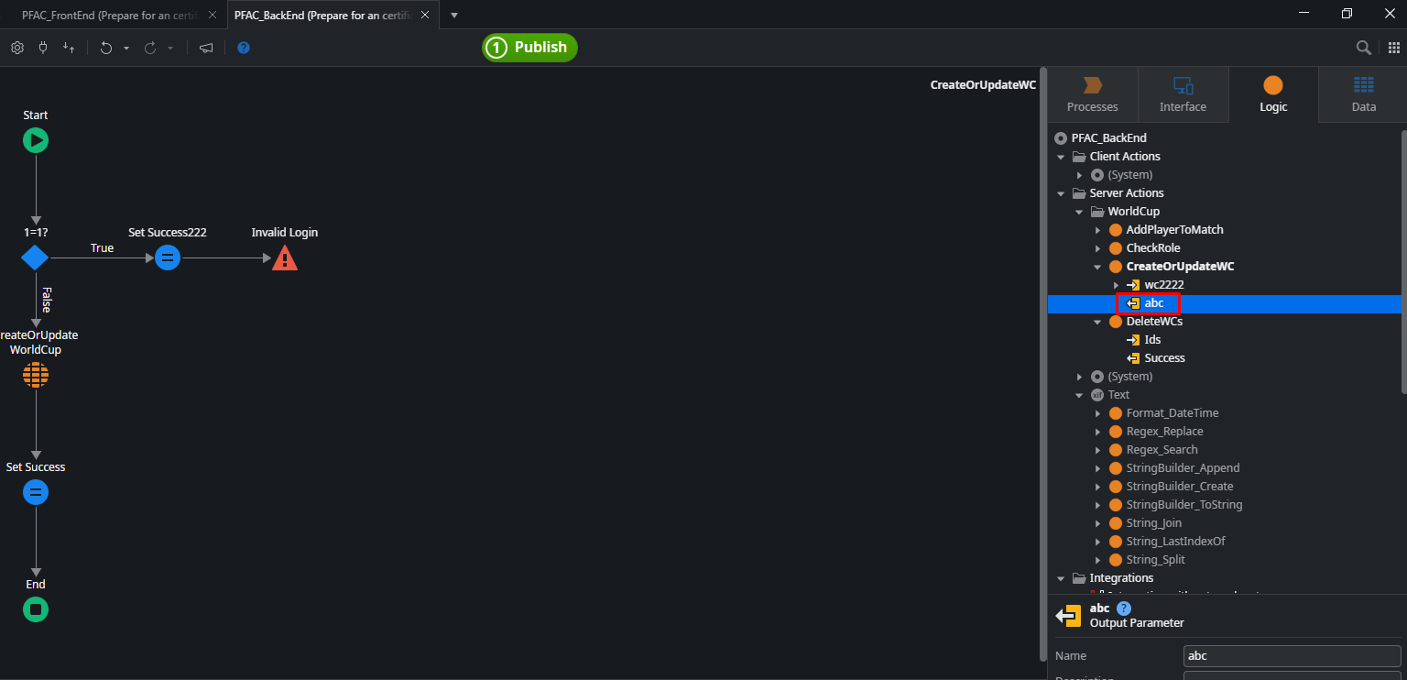

it does not require to refresh dependencies of the PFAC_FrontEnd module before publishing it

another example
if I change the logic flow of the CreateOrUpdateWc in the PFAC_BackEnd module
but I don’t refresh dependencies of the PFAC_FrontEnd module
I publish the PFAC_FrontEnd module without refreshing its dependencies
there is no error
and when I execute the SaveOnClick event on the screen
the CreateOrUpdateWc server action is called, and its logic flow is already updated
the new logic flow is executed

error
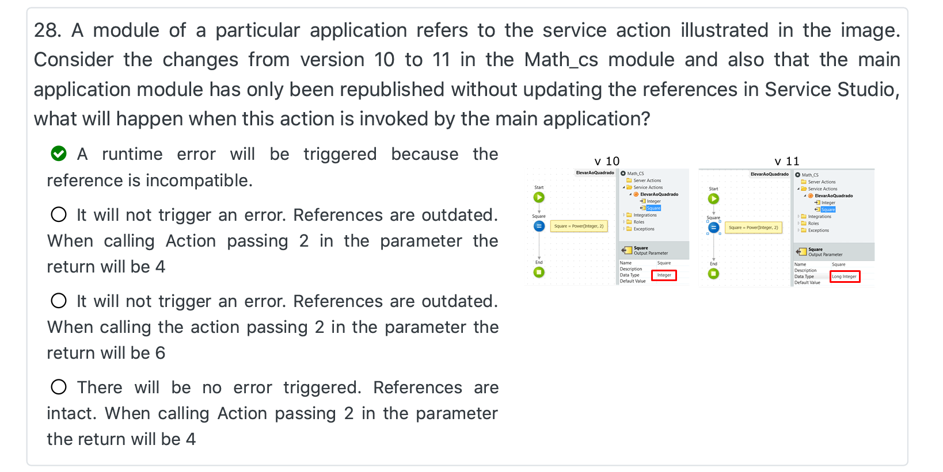

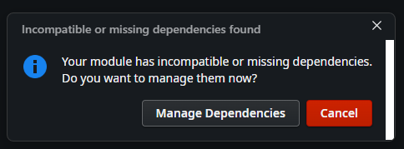

another example
in the PFAC_BackEnd module, I delete the output parameter of the CreateOrUpdateWC server action
publish this module

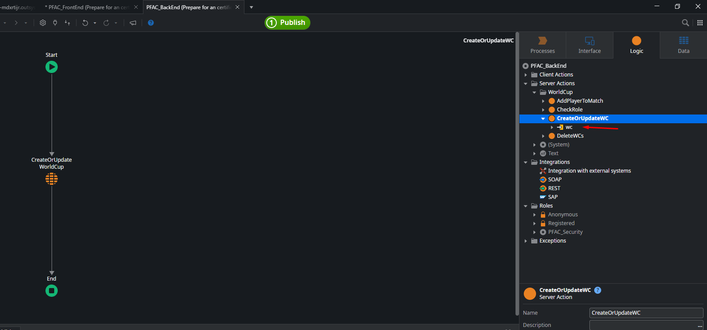

and in the PFAC_FrontEnd module, I don’t refresh its dependencies
I just changed a small part of this module and then clicked on the publish button
an error occurred

